Validation
Before:

SELECT COUNT(*)
FROM DAAS_CORE.TRIP_DETAIL TD
JOIN DAAS_CORE.TRIP_MASTER TM
ON TD.TRIP_MASTER_ID = TM.TRIP_MASTER_ID
WHERE TRANSACTION_TABLE_SK NOT IN (SELECT DISTINCT RATINGS_FACT_SK FROM DAAS_CORE.RATINGS_FACT)
AND TD.TRANSACTION_TYPE = 'RATINGS'
AND TM.DELETE_IND = 'N'
AND TD.DELETE_IND = 'N'
AND TM.GUEST_UNIQUE_ID <> -1;

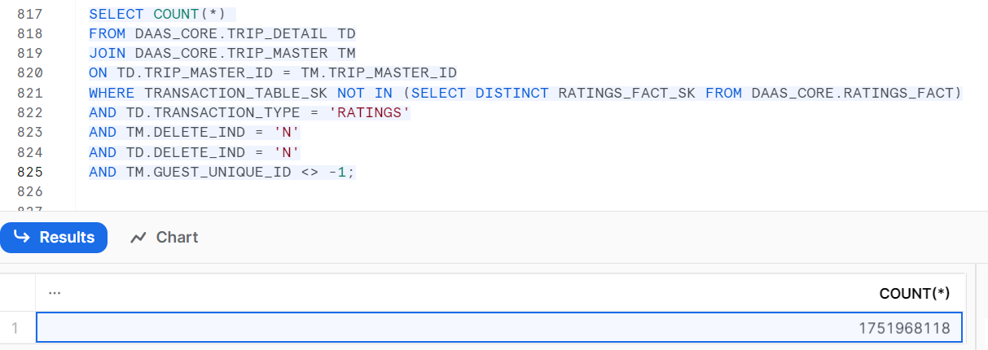

After:

